Sheet1
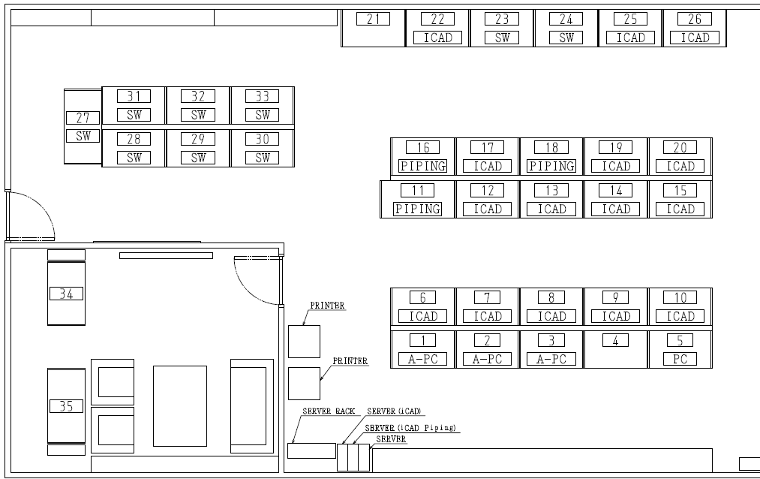
1 | Koala
2
3 | User
4
5 | Gorilla
6 | LAPTOP-P8DNJMGE
7 | Penguin
8 | LAPTOP-0D799LSO
9 | Deer
10 | Hamster
11 | KMTI1
12 | Hawk
13 | Sheep
14 | Ostrich
15 | Camel
16 | LAPTOP-76P10SI3
17 | Fox
18 | Kangaroo
19 | Seal
20 | Giraffe
21
22 | Rabbit
23
24 | DESKTOP-2S6CV21 / Goat / Armadillo / Elephant
25 | Wolf
26 | Turtle
27 | DESKTOP-H0KLQMJ
28 | Squirrel
29 | Flamingo
30 | Tiger
31 | Bear
32 | Eagle
33 | Raccoon

